Sheet1
 |  | Document No. | Issue No. | Issue Date |  | Review and Replace Date |  | Authorised By
 |  | GFF212MC | 4 | 10.09.2020 |  | 07.10.2021
 |  | Document Title | KERALAN PRAWN MASALA 350g
 |  |  |  |  |  |  |  | Magda Shah
Document amendments reason for change |  | Prawns recipe number and name changed |  | Page 1 of 1 | Previous Issue Date |  | 09.06.2021 | Uncontrolled copy unless signed original

CPKER-R4TCC | CHEFS CREATION |  | KERALAN PRAWN MASALA 350g | CHILLED
STEP 1 |  |  |  |  | STEP 2
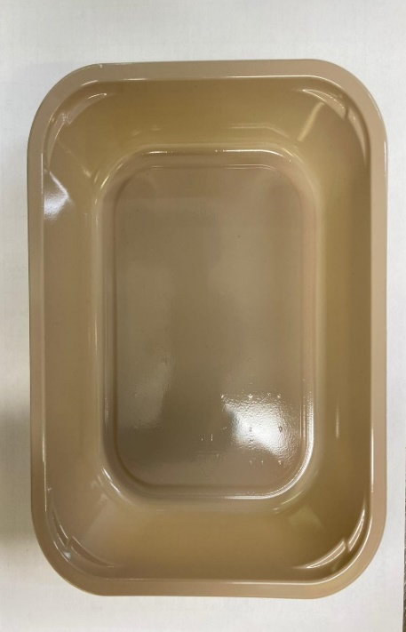 |  |  |  |  | 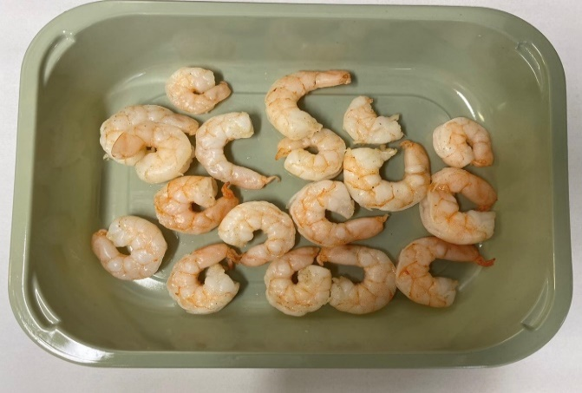

Tray: EVOLVE CPET 2200-1E (PKRHP001-08) |  |  |  |  | Marinated Kind Prawn (Ready Meals) (GFF403R): 85g
Line 1: Mylar 250LAF 250mm x 1000 (PKWRA001-08)
Line 1: K-Peel 75G + AF 25 250mm (PKKMP001-01)
Line 2: Mylar 25OLAF - 380mm wide (PKWRA001-02)
STEP 3 |  |  |  |  | STEP 4
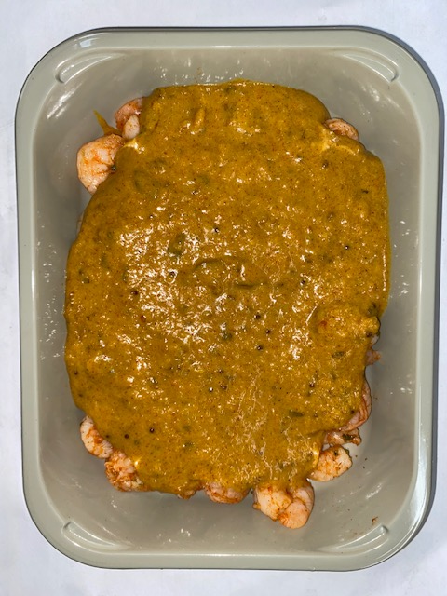 |  |  |  |  | 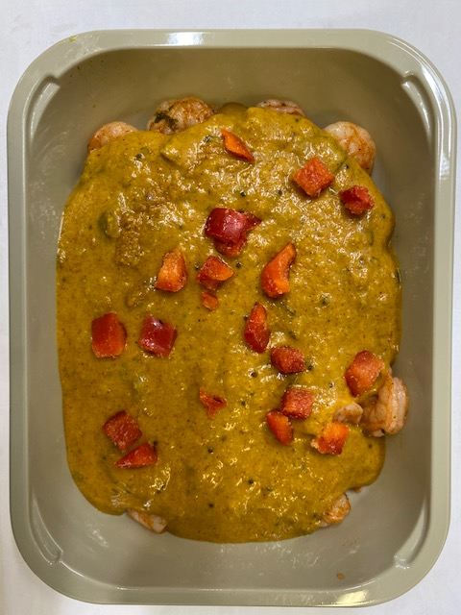 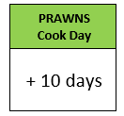

Pack within 2 days from cooking prawns

Keralan Curry Sauce (CC) (GFF323R): 255g |  |  |  |  | Grilled Roasted Red Peppers Diced 10mm (RMKBOW001-03): 10g
85g + 255g = 340g |  |  |  |  | TOTAL WEIGHT: 350g
ALLERGY ALERT: MUSTARD, BARLEY, CRUSTACEAN

